ICD_code_inj_gr
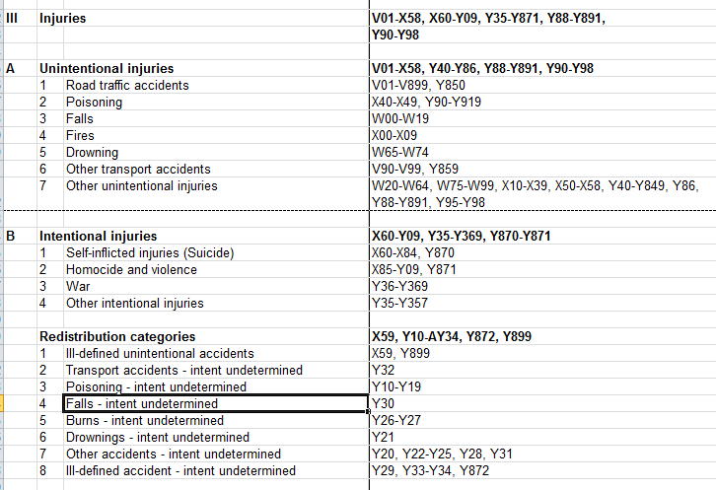

ที่มา: | \\ihpp1\BOD\DATA\IHPP_RawData\CodeBook\ICD-10_to GBD last

